Feuil1
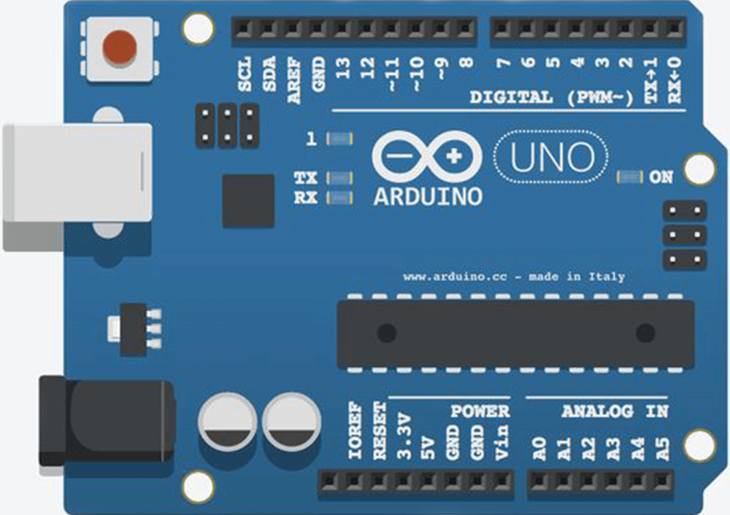
 |  |  |  |  |  |  |  |  |  |  | Shield
 |  |  |  |  |  |  |  |  |  |  | 7SEG
 |  |  |  |  |  |  |  |  |  |  | LED
 |  |  |  |  |  |  |  |  |  |  | CA
 |  |  |  |  |  |  |  |  |  |  | LC
 |  |  |  |  |  |  |  |  |  |  | TV_Switch

 |  |  |  |  |  | GND
 |  | IOREF |  |  |  | 13
 | Shield | RESET |  |  |  | 12 | H_PIN
 | Shield | 3.3V |  |  |  | 11 |  | USABLE ???
 | Shield | 5V |  |  |  | 10 | Shield_CS
 |  | GND |  |  |  | 9 |  | USABLE ???
 |  | GND |  |  |  | 8 | Shield_8 | USABLE ???
 |  | Vin |  |  |  | 7 | Shield_7 | USABLE ???
 |  |  |  |  |  | 6 | N_PIN |  |  |  |  | z
 | Error_motored | A0 |  |  |  | 5 |  |  | LED_CLOCK
 | LC_LED_PIN | A1 |  |  |  | 4 |  |  | LED_DATA
 | LC_Switch | A2 |  |  |  | 3 |  |  | TV_Switch
 |  | A3 |  |  |  | 2 | Shield_INT
I2C_DATA |  | A4 |  |  |  | TX - 1
I2C_CLOCK |  | A5 |  |  |  | RX - 0

 |  |  | RESET | SCK | MISO
 |  |  | GND | MOSI | VCC

 |  |  |  |  |  |  |  |  |  | z

